Sheet1
HW # 4 - CS323 |  |  | TAMER AVCI #2105024
This following spreadsheet explains and runs through an example case using getMaximumFlow to show how updateBackward runs and how there are certain problems
with it. The pictures on the right hand column demonstrate the example case. The flow diagrams keep track of the variables parallel to the code.
Explanations with regards to each line are given in the same color.
A better implementation idea is discussed below.
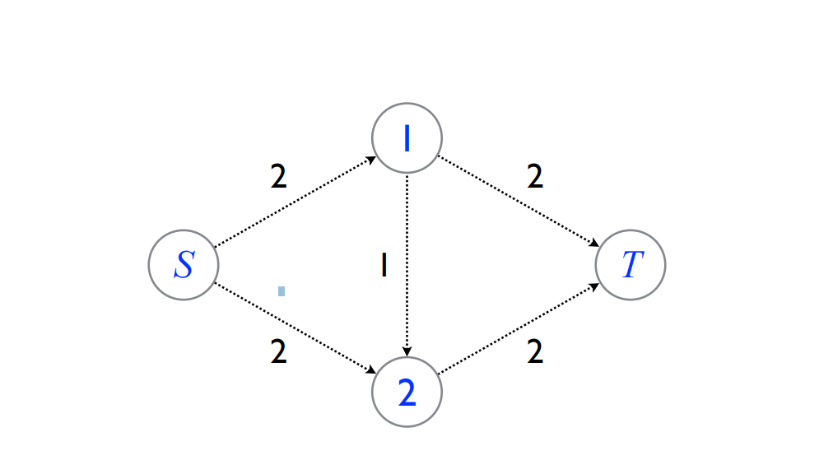
public MaxFlow getMaximumFlow(Graph graph, int source, int target)
{
MaxFlow mf = new MaxFlow(graph); |  |  |  |  |  |  |  | FLOW DIAGRAM
Subgraph sub; |  |  |  |  |  |  |  | m_flow MAP
double min; |  |  |  |  |  |  |  | <e1,0>, <e2,0>, <e3,0>, <e4, 0>, <e5, 0>
 |  |  |  |  |  |  |  | d_max flow = 0
//Continuously find a new path to push flow from source to target
while ((sub = getAugmentingPath(graph, mf, new Subgraph(), source, target)) != null) |  |  |  |  |  |  |  | sub = e5, e3, e1
{ |  |  |  |  |  |  |  | e5 = 2->t, e3 = 1->2, e1 = s->1
//Get the edge with the minimum edge
min = getMin(mf, sub.getEdges()); |  |  |  |  |  |  |  | min = 1 | returns minimum residual
 |  |  |  |  |  |  |  |  | where residual = weight - m_flow
//Update all forward path edges with -min.getWeight() |  |  |  |  |  |  |  |  | hence min = e3_weight - e3_m_flow= 1-0 = 1
mf.updateResidual(sub.getEdges(), min); |  |  |  |  |  |  |  | m_flows.put(edge, 0 + min=1) = every edge gets 1 flow
//Update all backward path edges with +min.getWeight() |  |  |  |  |  |  | residuals get reduced | updated residuals: e5_res = 1, e3_res=0, e1_res=0
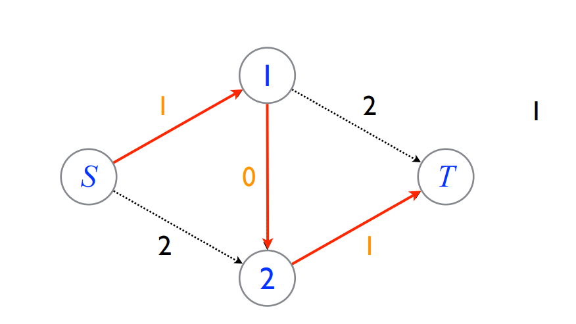
updateBackward(graph, sub, mf, min);
}

return mf;
}
protected void updateBackward(Graph graph, Subgraph sub, MaxFlow mf, double min)
{
boolean found; |  |  |  |  |  |  | needed boolean for cases where we have already a reverse edge
 |  |  |  |  |  |  | to prevent an additional edge
for (Edge edge : sub.getEdges()) |  |  |  |  |  |  | run through every edge in sub = {e5, e3, e1}
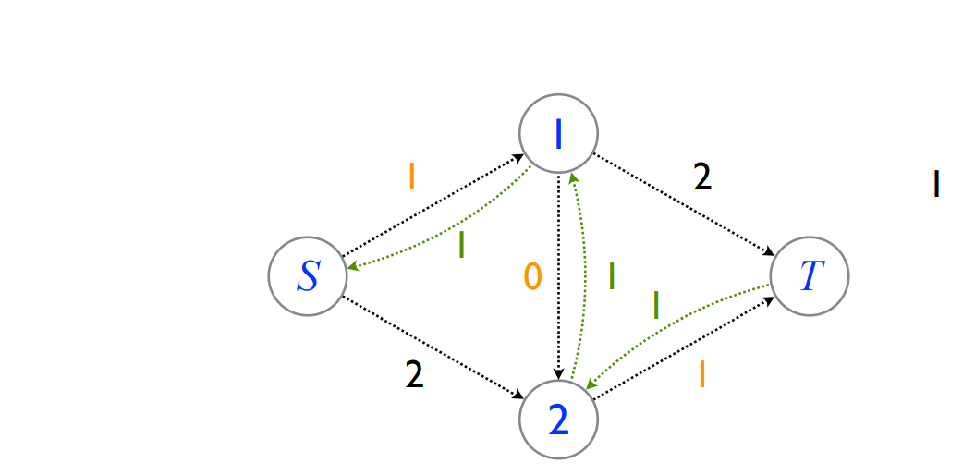
{
found = false;

for (Edge rEdge : graph.getIncomingEdges(edge.getSource())) |  |  |  |  |  | run through every incoming edge of the source vertex of edges in sub
{
if (rEdge.getSource() == edge.getTarget()) |  |  |  |  |  |  | check found boolean case
{
mf.updateResidual(rEdge, -min); |  |  |  |  |  |  | dont create another edge just update
found = true; |  |  |  |  |  |  | to be able to skip code below
break;
}
} |  |  |  |  |  |  |  |  |  |  |  |  | Figure 3

if (!found) |  |  |  |  |  |  | there is no reverse edge yet, !found=true |  |  |  | rEdge5 = T->2, rEdge3 = 2->1, rEdge1 = 1->S
{ |  |  |  |  |  |  |  |  | BUG:
Edge rEdge = graph.setDirectedEdge(edge.getTarget(), edge.getSource(), edge.getWeight()); |  |  |  |  |  |  |  |  | creating a reverse edge with the original edge's weight!
mf.updateResidual(rEdge, -min); |  |  |  |  |  |  |  |  | updating reverse edge's residual with -min!
} |  |  |  |  |  |  |  |  | Reason: residual gets too big!
} |  |  |  |  |  |  |  |  | LIVE FLOW DIAGRAM
} |  |  |  |  |  |  |  |  | Re5_weight=2 | Re3_weight=1 |  | Re1_weight=2
 |  |  |  |  |  |  |  |  | Re5_m_flow=-1 | Re3_m_flow=-1 |  | Re1_m_flow=-1
 |  |  |  |  |  |  | weight - m_flow |  | Re5_residual=3 | Re3_residual=2 |  | Re1_residual=3
 |  |  |  |  | it should have been |  | as shown in figure 3>>>>> |  | Re_5_residual= 1 | Re3_residual=1 |  | Re1_residual=1

Explanation for better implementation (1) : When we create a new reverse edge, we have to keep in mind that the available amount to push flow through an edge is represented by the residual amount. This is because when the getAugmentedPath function runs, it looks at the residuals to determine the minimum flow that we can push among the edges in our augmented path and then find those edges. In this implementation, our residual amount equals weight - m_flow and since we pass -min as our flow parameter in m_flow_put method, we end up with more residual than we are supposed to. This causes problems as the reverse edges cannot actually transfer more flow than they are able to. In order to fix this we should end up with "min" in our residual data whenever we create new reverse edges. However we cannot set Residual directly to min. So we have to find a way around this:
In other words, at the end of our calculations weight - m_flow must be equal to min for newly created reverse edges.
Therefore better implementation may look something like this
...
if (!found)
{
Edge rEdge = graph.setDirectedEdge(edge.getTarget(), edge.getSource(), edge.getWeight());
mf.updateResidual(rEdge, rEdge.getWeight - min);
}
....
This will assign rEdge.getWeight - min to "flow" in m_flow_put method which will put weight-min to m_flow hashmap flow value for that edge.
Next time getResidual gets called, residual will be calculated the following way:
return = edge.getWeight() - m_flows.get(edge);
= edge.getWeight() - (edge.getWeight() - min)
= edge.getWeight() - edge.getWeight() + min
= min
which is exactly what we want.

public Graph getGraph2()
 | {
 |  | Graph quizgraph = new Graph(4);

 |  | quizgraph.setDirectedEdge(0, 1, 2.0);
 |  | quizgraph.setDirectedEdge(0, 2, 2.0);
 |  | quizgraph.setDirectedEdge(1, 2, 1.0);
 |  | quizgraph.setDirectedEdge(1, 3, 2.0);
 |  | quizgraph.setDirectedEdge(2, 3, 2.0);

 |  | return quizgraph;
 | }

Anotherimplementation idea (2) would be on line 47 (on the excel), when creating the reverse edge, we could set the weight of the reverse edge equal to 0 i.e.
Edge rEdge = graph.setDirectedEdge(edge.getTarget(), edge.getSource(), 0);
mf.updateResidual(rEdge, -min);
After creating the rEdge with 0 weight, we should leave -min as it is because this would give us the correct residual by getResidual
GetResidual = getWeight - (-min) = min
Result
[3 <- 1 : 2.000000, 1 <- 0 : 2.000000]
Update all forward path edges with -min.getWeight()
3 <- 1 : 2.000000 edge residual: 0
1 <- 0 : 2.000000 edge residual: 0
Update all backward path edges with +min.getWeight()
1 <- 3 : 2.000000
rEdge residual 2 |  |  |  | CORRECT RESIDUAL
0 <- 1 : 2.000000
rEdge residual 2 |  |  |  | CORRECT RESIDUAL
[3 <- 2 : 2.000000, 2 <- 0 : 2.000000]
Update all forward path edges with -min.getWeight()
3 <- 2 : 2.000000 edge residual: 0
2 <- 0 : 2.000000 edge residual: 0
Update all backward path edges with +min.getWeight()
2 <- 3 : 2.000000
rEdge residual 2
0 <- 2 : 2.000000
rEdge residual 2
[3 <- 1 : 2.000000, 1 <- 0 : 2.000000, 2 <- 0 : 2.000000, 3 <- 2 : 2.000000]
4

